AEO Assumptions
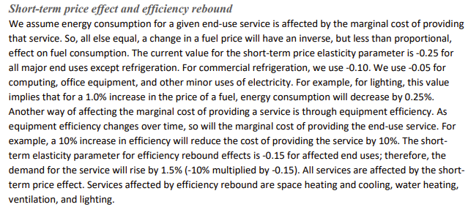
https://www.eia.gov/outlooks/aeo/assumptions/pdf/rDM_Assumptions.pdf | Mar-23
Residential Demand Module

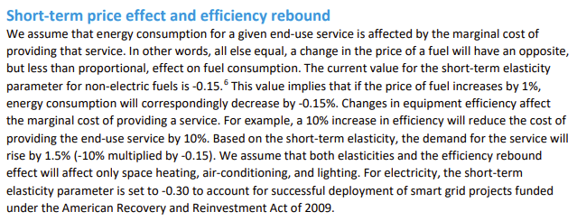

https://www.eia.gov/outlooks/aeo/assumptions/pdf/CDM_Assumptions.pdf | Mar-23
Commercial Demand Module

